Sheet1
Application Scenario 1 Opening a door knob or door handle | 2020-05-03 | AS01 | Page 1 | Application Scenario 2 Person trapped below the partially heavy object | 2020-05-03 | AS02 | Page 1 | Application Scenario 3 Clearing path for better navigation | 2020-05-03 | AS03 | Page 1

Description: There may arise a situation where the robot encounters closed door while in search for living victims inside a burning building. Therefore, the robot needs to open the closed door to rescue victim. |  |  |  | Description: This is a scenario in which a person is trapped under a partially heavy object and cannot move unless and until the object is removed. The object needs to be moved and set aside by the robot in order to rescue the trapped person. |  |  |  | Description: There may arise a situation where the robot is making an attempt to navigate through the burning building and there comes a situation where it cannot move forward because the path is covered up with medium-sized obstacles, junk, etc.

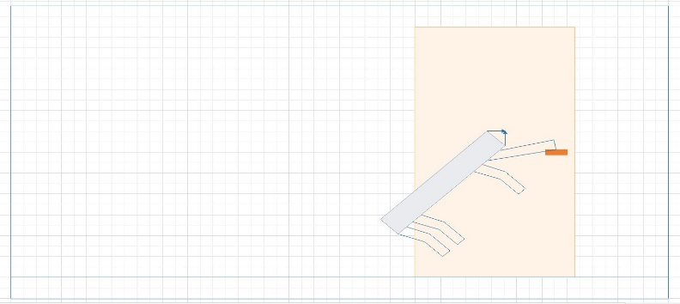 Principle Solution: Since the door knob is beyond the robot’s reach, it will jump and grab a hold of the door handle and hang to it until a moment the door opens and push the door to open it completely. In case of a door knob, the robot uses its robotic arm which grabs a hold of the door knob and turns it until it opens. The robot can also may use of its robotic arm to pull the door open. |  |  |  | 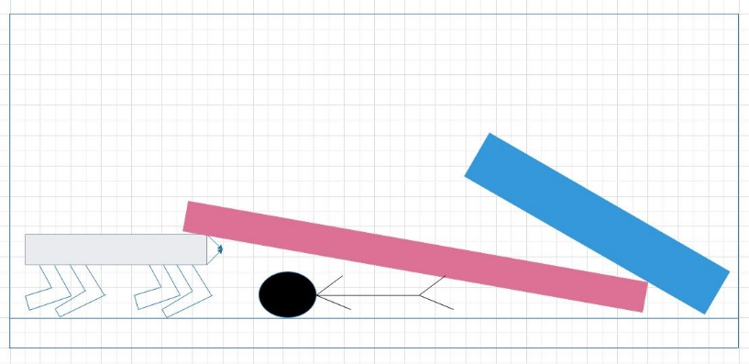 Principle Solution: The robot makes an attempt to bend underneath the heavy object and try to push it upwards. Then it attempts to crawl by carrying the object to move it past the previous location in order to ensure victim’s safety. Once the victim is set free from being trapped, robot can now carry out the further rescue operation. |  |  |  | 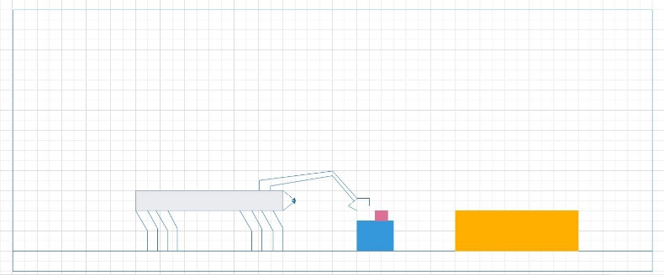 Principle Solution: This a part where the robotic arm comes into the picture. The robotic arm is capable of lifting and moving weights of around 15 Kg. The robotic arm is an external equipment and can be attached or detached by the User or rescue team depending upon the rescue operation (For eg. There is no need of robotic arm when the rescue operation is completely dedicated to water-based rescue operation). Therefore, a robotic arm can be used to life the object and set it aside, thus, clearing its further path and continue its mission.

